legal data
 | check account is exist or not by account_no
Input | { "account_no": "1268813333332", "amount": "5000", "currency": "HKD", "installment_amount": "500", "installment_day": "1", "no_of_terms": "10", "rate": "3.50%", "remark": "xxx" }

 | before excute api

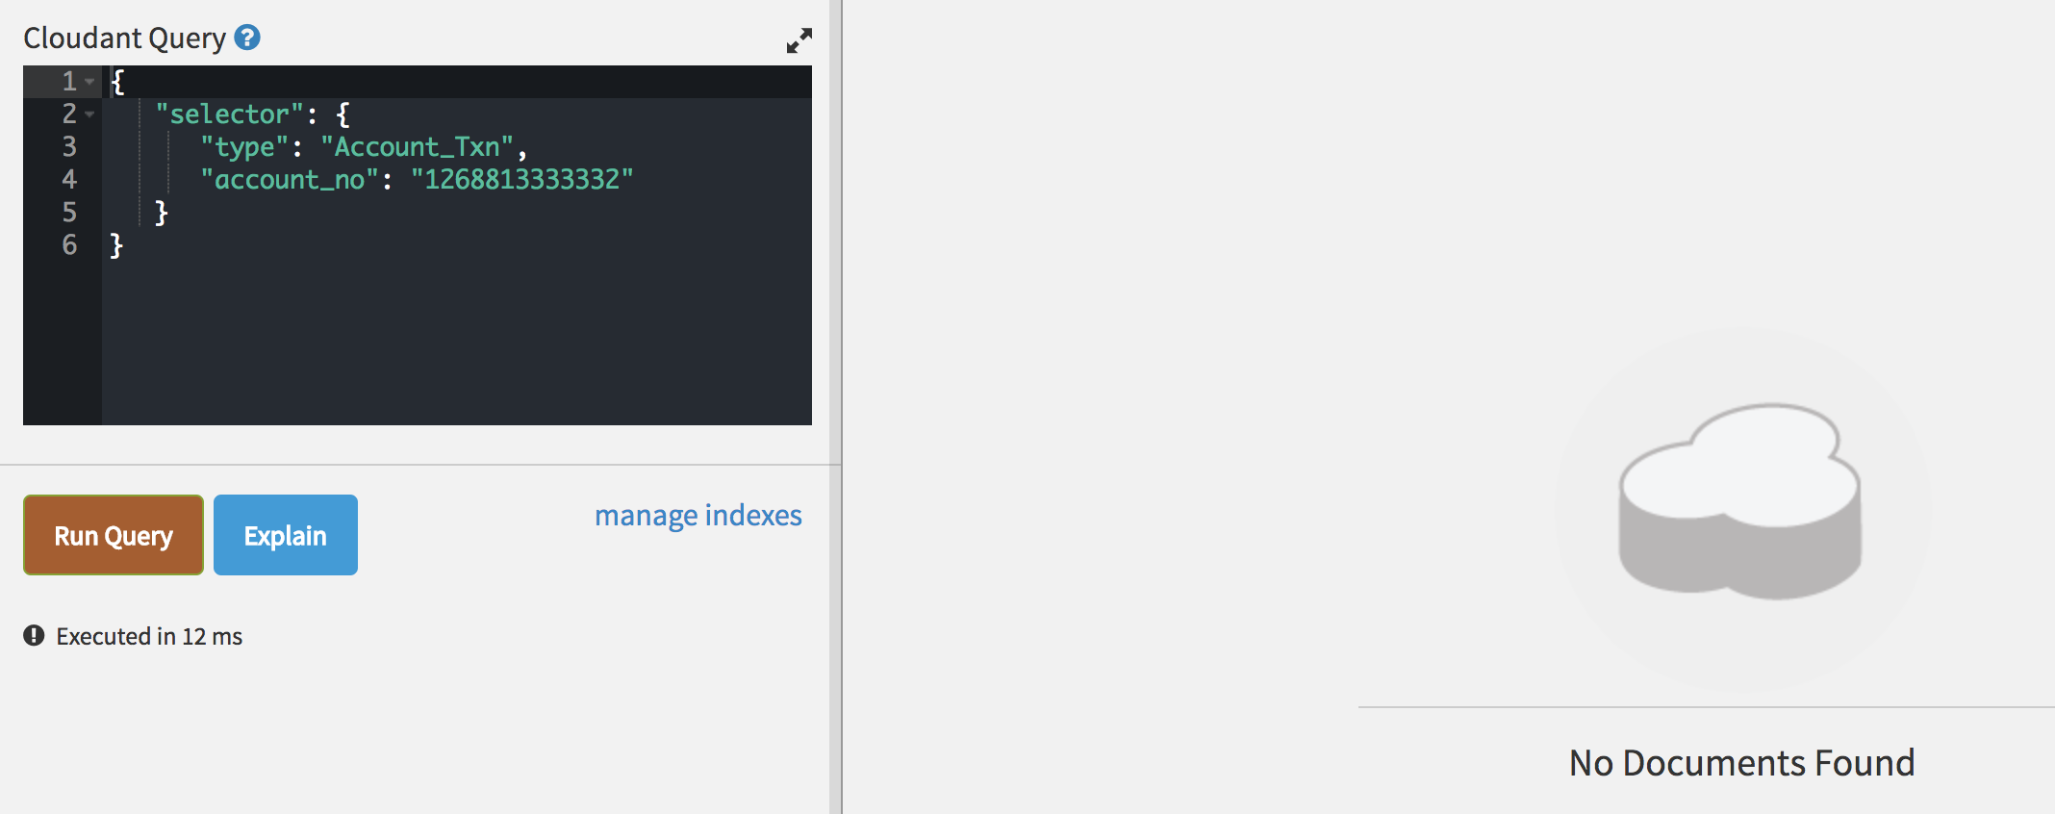

Output | no content
 | after excute api: 1. INSERT this record to the personal_loan table. 2. INSERT one more record to the account_txn table and set the txn_type to "LOAN". 3. UPDATE the balance field in the account_balance table as the loan appoved so the balance will be credited with the approved loan amount.

